Partners
Operator | acronym | institute/site | Access Officer
Stazione Zoologica Anton Dohrn | SZN | Stazione Zoologica Anton Dohrn
Stazione Zoologica Anton Dohrn | SZN-IMC | Ischia Marine Centre
Stazione Zoologica Anton Dohrn | SZN-MTRC | Marine Turtles Research Centre
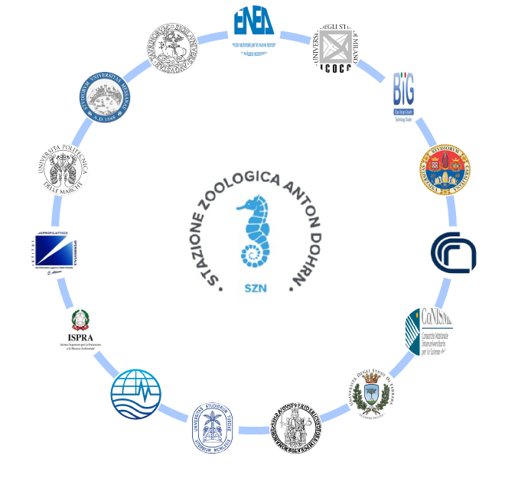
PADOVA
CAMERINO
LECCE
URBINO
BARI
Stazione Zoologica Anton Dohrn | SZN-SMC | Sicily Marine Centre
Stazione Zoologica Anton Dohrn | SZN-FMC | Fano Marine Centre
Stazione Zoologica Anton Dohrn | SZN-CMC | Calabria Marine Centre
Stazione Zoologica Anton Dohrn | SZN-GMC | Genova Marine Centre
CONISMA | CONISMA-Chioggia | Università di Padova - Hydrobiological Station "U. D'Ancona"
CONISMA | CONISMA-Camerino | Università di Camerino - URDIS
CONISMA | CONISMA - Lecce | Università del Salento
CONISMA | CONISMA-Urbino | Università di Urbino
CONISMA | CONISMA - Bari | Politecnico di Bari
CNR-IAS | CNR-IAS-O | Istituto per lo studio degli impatti Antropici e Sostenibilità in ambiente marino - Oristano
CNR-IAS | CNR-IAS-CG | Istituto per lo studio degli impatti Antropici e Sostenibilità in ambiente marino - Capo Granitola
CNR-IRBIM | CNR-IRBIM-M | Istituto per le Risorse Biologiche e le Biotecnologie Marine - Messina
CNR-IRBIM | CNR-IRBIM-L | Istituto per le Risorse Biologiche e le Biotecnologie Marine - Lesina
CNR-IRSA | CNR-IRSA -T e V | Istituto per la Ricerca sulle Acque - Taranto e Verbania | Antonella Petrocelli
CNR-ISMAR | CNR-ISMAR | Istituto di Scienze Marine - Venezia
OGS | OGS | National Institute of Oceanography and Experimental Geophysics
Cluster BIG | CTN-BIG | Cluster Tecnologico Nazionale “Blue Italian Growth”
IZPLV | IZSPLV | Istituto Zooprofilattico Sperimentale del Piemonte, Liguria e Valle d’Aosta
ENEA | ENEA | Agenzia Nazionale per le nuove tecnologie, l’energia e lo sviluppo economico sostenibile
ISPRA | ISPRA | Istituto Superiore per la Protezione e la Ricerca Ambientale
UNITUS | UNITUS - DEB | Università degli Studi della Tuscia - Department di Ecological and Biological sciences
UNICA | UNICA | Università degli Studi di Cagliari
UNIFE | UNIFE | Università degli Studi di Ferrara
UNIME | UNIME | Università degli Studi di Messina
UNIMIB | UNIMIB-MaRHE | Università degli Studi di Milano-Bicocca - The Marine Research and High Education Center
UNINA | UNINA - BIG FED II | Università degli Studi di Napoli Federico II - Blue Italian Growth Federico II
UNITO | UNITO | Università degli Studi di Torino
UNIVPM | UNIVPM - DiSVA | Università Politecnica delle Marche - Dipartimento delle Scienze della Vita e Ambientali

